Gamma Calculation
Smith Chart Plotting Approach (Manual Calculation of Complex Reflection Coefficient) |  |  |  |  |  |  |  |  |  | (With Smitch Chart Plotter and VSWR Calculator Added)
$$=\frac{Z_{L }−1}{Z_{L}+1}$$
Enter
Meas-ured
Data
Here
Complex Gamma Function (Normalized)
 |  |  |  |  | Measured Impedance Value: |  |  |  |  | Characteristic Impedance:
 |  |  |  | NOTE: |  | |ZL| = | RL (W) | XL (W) |  | Zo
 |  |  |  |  |  | 50.0 | 50.00 | 0.00 |  | 50.0
Magnitude of Gamma |  |  |  |  | Normalized Impedance Value:
 | Normalized Impedance |  |  |  |  | |ZL|n = | RLn | XLn
|ZL|n | RLn | XLn | GL |  |  | 1.00 | 1.00 | 0.00
2.24 | 2 | 1 | 0.38196601125
1.02 | 1 | 0.2 | 0.0098048640722
1.04 | 1 | 0.3 | 0.02154109131 |  |  |  | IF RL-1 ³ 0 |  | RL -1 = |  | IF RL-1 < 0
1.12 | 1 | 0.5 | 0.055728090001 | q1 = | 270.00 | ° | 270.00 | ° | 0.0 |  | 270.00 | °
1.22 | 1 | 0.7 | 0.099365054803
1.41 | 1 | 1 | 0.17157287525 |  | Theta-2:
10.05 | 1 | 10 | 0.81900248758 |  |  |  | IF RL+1 ³ 0 |  | RL +1 = |  | IF RL+1 < 0
5.00 | 5 | 0 | 0.66666666667 | q2 = | 0.00 | ° | 0.00 | ° | 2.0 |  | 180.00 | °
10.00 | 10 | 0 | 0.81818181818
100.00 | 100 | 0 | 0.9801980198
1414.21 | 1000 | 1000 | 0.99858678573
14142.14 | 10000 | 10000 | 0.99985858864 | X-Axis Plot Value |  |  | |G| = |  | COS(q1 - q2) =
1.00 | 1 | 0 | 0 | G Re = | 0.00 | = | 0.0000 | X | 0.00001
1.00 | 0 | 1 | 0
1.41 | 1 | 1 | 0.17157287525
1.41 | 1 | -1 | 0.17157287525 | Y-Axis Plot Value |  |  | |G| = |  | SIN(q1 - q2) =
100.00 | 0 | 100 | 0.9801980198 | G Im = | 0.00 | = | 0.0000 | X | -1.00000
1000.00 | 0 | 1000 | 0.998001998
1414.21 | 1000 | 1000 | 0.99858678573
14.14 | 10 | 10 | 0.86791823494
0.71 | 0.5 | 0.5 | -0.17157287525
1.00 | 0.707 | 0.707 | -7.5511402652E-05
1.00 | 1 | 0.001 | 2.4999987503E-07
1.00 | 1 | 0.01 | 2.4998750078E-05
0.10 | 0 | 0.1 | -0.81818181818
0.00 | 0 | 0 | -1
0.50 | 0 | 0.5 | -0.33333333333

Smith Chart Plot
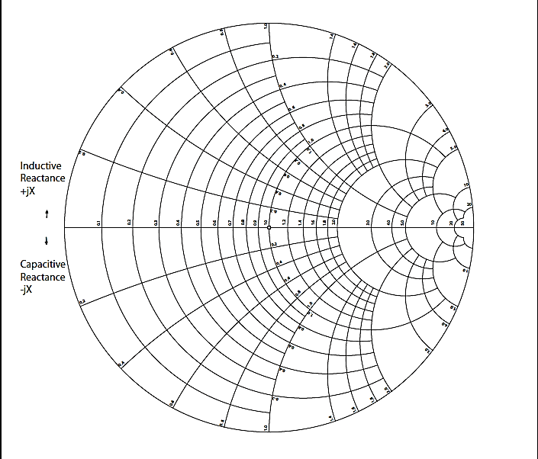
Antenna Impedance
Smith Chart Plot
 | Gamma Value
0.00 | 0.00

RL |  | XL |  | Zo

50.0 | W | 0.0 | W | 50.0 | W

Normalized Impedance

RLN |  | XLN

1.0 | W | 0.0 | W

Complex Gamma Function (G)

GRe |  | GIm

0.00 |  | 0.00

DO NOT CHANGE WORKSHEET SCALE FACTOR: Leave Set = 64%

VSWR
Losses Resulting from Antenna Mismatch - Measured Using Voltage Standing Wave Ratio(VSWR) Method

 | NOTE:

 |  | Measured Transmitter Power Output: |  | 2.0 | watts
 |  |  |  |  |  | Manually Enter Results of Test #1 or Test #2 at Cell [H8]
 |  | Measured or Estimated VSWR: |  | 1.00 | :1

 |  | Power Reflected and Lost: |  | 0.000 | watts | 0.0% | % of Power

 |  | Power Transmitted: |  | 2.000 | watts | 100.0% | % of Power

 |  | Power Loss due to Mismatch (dB): |  | 0.00 | dB | This value should be entered in the "Transmitters" W/S
 |  |  |  |  |  | at Cell [I31].

Matching
Network
Transmitter
Antenna
 |  |  |  |  |  |  |  |  |  |  |  |  | Don't Change These Formulas
 |  |  |  |  |  |  |  |  |  |  |  |  | |Ztx| = | 50.0 | W
 |  |  |  |  |  |  |  | Measured Ztx: | 50.0 | + | 0.0 j
 |  |  |  |  |  |  |  |  |  |  |  |  | |Zsys| = | 50.0 | W
 |  |  |  |  |  |  |  | Measured Impedance (Zsys): | 50.0 | + | 0.0 j
 |  |  |  |  |  |  |  |  |  |  |  |  |  | NOTE:
Measure Zsys here using Network Analyzer
or Impedance Bridge.
 |  |  |  |  |  |  |  | VSWR: | 1.000 :1
 |  |  |  |  |  |  |  |  |  |  | TEST 1

Measure Ztx here using Network Analyzer
or Impedance Bridge.
 |  |  |  |  |  |  |  |  |  |  |  | OR
TEST CONFIGURATION #1

 |  |  |  |  |  |  |  | ALTERNATE MEASUREMENT METHOD:

In-Line Watt Meter
 |  |  |  |  |  |  |  | Forward Power Measured: |  |  | 1.9 watts

 |  |  |  |  |  |  |  | Reverse Power Measured: |  |  | 0.1 watts
Transmitter
Matching
Network
Antenna
 |  |  |  |  |  |  |  | VSWR: |  |  | 1.513 :1

MEASURE
AND
TO DETERMINE VSWR
 |  |  |  |  |  |  |  |  |  |  | TEST 2

 |  |  | NOTE:

TEST CONFIGURATION #2

